Sheet1
Bifid Cipher
Suppose we want to encrypt the message "BATTLE".
We prepare 5x5 grid as shown where J is replaced with I.
Now, message is written at top and row and column positions are written in next 2 rows
BATTLE
114431
214415
Now, concat row 2 and 3.
114431214415
Extract first 2 letters, then next 2 letters and so on
11 44 31 21 44 15
Now, if it is ij, it means lookup intersection of row i and column j.
Hence, we retrieve following alphabets which the encrypted text.
ATLFTE
Plain Text | Answer Expected
battle | atlfte
armament | dllobfko
casualty | atculpat
annihilation | cmglrncooats
mobilization | nbmvrniidvts
armageddon | dlfanbfkts
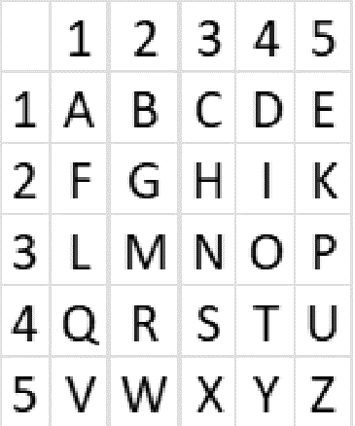
conflagration | cmlidhnsabfts
armistice | dmtfagstp
antidisestablishmentarianism | crbqtamrlodfmscttpobdnkobqom

